Inventory

Pre-Move Inventory & Planning Form

Professional furniture removals, storage & packing services throughout South Africa.
Fields marked (*) are required |  |  |  |  | Estimated completion time: 7–10 minutes
Client Details |  |  |  | Relocation Details |  | Property Access
Full Name | (*) |  |  | Collection Address | (*) | (*) Please describe any stairs, lifts, narrow driveways, estate access requirements or long carrying distances.
Cell Number | 0
Email Address | (*) |  |  | Delivery Address | (*) | (*) Please describe any stairs, lifts, narrow driveways, estate access requirements or long carrying distances.
ID / Passport Number | (*)
Item | Quantity | Wrapping | Size | Preferred Moving Date(s) | (*) | Need Secure Storage?
Boxes |  |  |  | How did you hear about Rossouw Removals? | Google • ChatGPT • Facebook • Instagram • Referral (please specify) • Other | Rossouw Removals operates a purpose-built, secure container storage facility at our Stellenbosch headquarters. Flexible month-to-month storage with secure, professionally managed storage solutions.
Small Boxes | (*) | N/A
Medium Boxes | (*) |  |  | Additional Services & Special Requirements | Professional packing • Bubble wrapping • Furniture disassembly & reassembly • Hoisting • Storage • Multiple collection or delivery points • Fragile or high-value items
Large Boxes | (*)
Plastic Totes | (*)
Bedrooms
Single Bed | (*) | FALSE | Select |  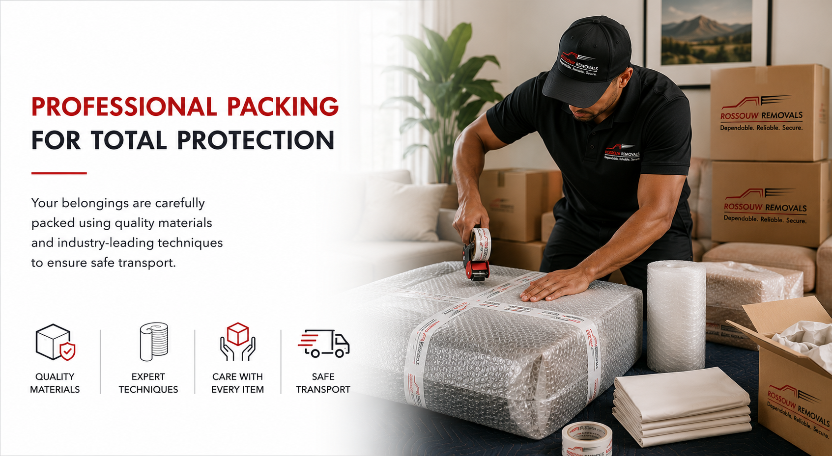
Three-Quarter Bed | (*) | FALSE | Select
Queen Bed | (*) | FALSE | Select
King Bed | (*) | FALSE | Select
Day Bed | (*) | FALSE | Select
Extra Mattress | (*) | FALSE | Select
Headboard | (*) | FALSE | Select
Bedside Tables | (*) | FALSE | Select
Chest of Drawers | (*) | FALSE | Select
Dressing Table | (*) | FALSE | Select
Wardrobe – Single | (*) | FALSE | Select
Wardrobe – Double | (*) | FALSE | Select
Cot | (*) | FALSE | Select
Compactum | (*) | FALSE | Select
Ottoman | (*) | FALSE | Select
Kitchen
Single Door Fridge | (*) | FALSE | Select
Double Door Fridge | (*) | FALSE | Select
Bar Fridge | (*) | FALSE | Select
Chest Freezer | (*) | FALSE | Select
Upright Freezer | (*) | FALSE | Select
Wine Fridge | (*) | FALSE | Select
Microwave | (*) | FALSE | Select
Dishwasher | (*) | FALSE | Select
Head board | (*) | FALSE | Select
Washing Machine | (*) | FALSE | Select
Tumble Dryer | (*) | FALSE | Select
Water Dispenser | (*) | FALSE | Select
Stove | (*) | FALSE | Select
Small Appliances (Boxes) | (*) | FALSE | Select
Living Room
Couch – Single Seater | (*) | FALSE | Select
Couch – 2 Seater | (*) | FALSE | Select
Couch – 3 Seater | (*) | FALSE | Select
L-Shape Lounge Suite | (*) | FALSE | Select
Coffee Table | (*) | FALSE | Select
Side Table | (*) | FALSE | Select
TV Cabinet / Entertainment Unit | (*) | FALSE | Select
Television | (*) | FALSE | Select
Bookshelf | (*) | FALSE | Select
Display Cabinet | (*) | FALSE | Select
Lamp | (*) | FALSE | Select
Heater | (*) | FALSE | Select
Dining Room
Dining Table (4 Seater) | (*) | FALSE | Select
Dining Table (6 Seater) | (*) | FALSE | Select
Dining Table (8 Seater) | (*) | FALSE | Select
Dining Chairs | (*) | FALSE | Select
Server / Sideboard | (*) | FALSE | Select
Display Cabinet | (*) | FALSE | Select
Study / Office
Desk | (*) | FALSE | Select
Office Chair | (*) | FALSE | Select
Filing Cabinet | (*) | FALSE | Select
Printer | (*) | FALSE | Select
Monitor | (*) | FALSE | Select
Computer | (*) | FALSE | Select
Safe | (*) | FALSE | Select
Monitor | (*) | FALSE | Select
Special Items
Piano | (*) | FALSE | Select
Pool Table | (*) | FALSE | Select
Artwork | (*) | FALSE | Select
Portraits | (*) | FALSE | Select
Mirrors | (*) | FALSE | Select
Glass Cabinet | (*) | FALSE | Select
Aquarium | (*) | FALSE | Select
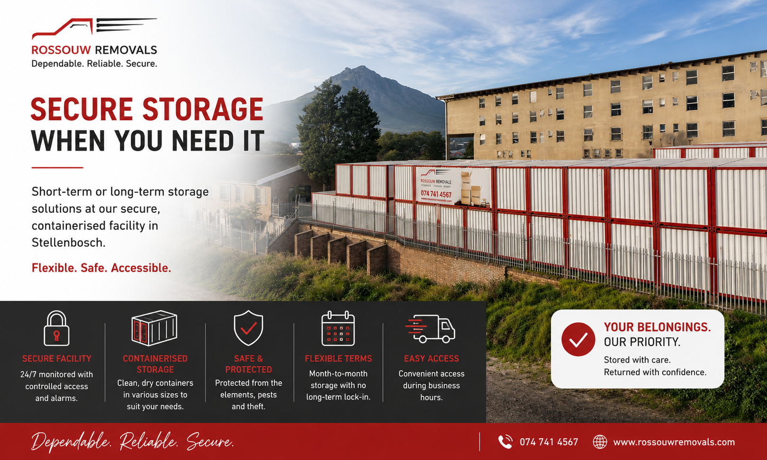
Outdoor
Outdoor Table – 2 Seater | (*) | FALSE | Select
Outdoor Table – 4 Seater | (*) | FALSE | Select
Outdoor Table – 6 Seater | (*) | FALSE | Select
Outdoor Table – 8+ Seater | (*) | FALSE | Select
Outdoor Chairs | (*) | FALSE | Select
Garden Bench | (*) | FALSE | Select
Patio Lounge Set | (*) | FALSE | Select
Sun Lounger | (*) | FALSE | Select
Umbrella | (*) | FALSE | Select
Braai | (*) | FALSE | Select
Pizza Oven | (*) | FALSE | Select
Pot Plants | (*) | FALSE | Select
Large Planters | (*) | FALSE | Select
Water Feature | (*) | FALSE | Select
Garden Statue / Ornament | (*) | FALSE | Select
Bird Bath | (*) | FALSE | Select
Outdoor Heater | (*) | FALSE | Select
Fire Pit | (*) | FALSE | Select
Garden Swing | (*) | FALSE | Select
Children's Play Equipment | (*) | FALSE | Select
Hammock | (*) | FALSE | Select
Trampoline | (*) | FALSE | Select
Garage
Workbench | (*) | FALSE | Select
Tool Chest | (*) | FALSE | Select
Shelving Unit | (*) | FALSE | Select
Storage Cabinet | (*) | FALSE | Select
Generator | (*) | FALSE | Select
Compressor | (*) | FALSE | Select
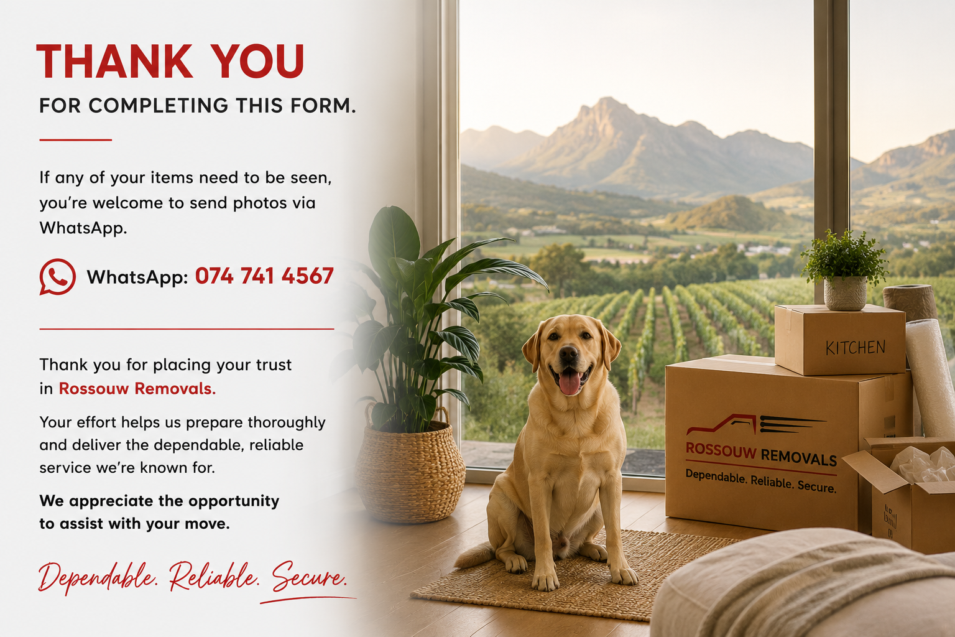
Pressure Washer | (*) | FALSE | Select
Welding Machine | (*) | FALSE | Select
Ladder | (*) | FALSE | Select
Wheelbarrow | (*) | FALSE | Select
Bicycle | (*) | FALSE | Select
Motorbike | (*) | FALSE | Select
Kayak | (*) | FALSE | Select
Surfboards | (*) | FALSE | Select
Camping Equipment | (*) | FALSE | Select
Fishing Equipment | (*) | FALSE | Select
Golf Clubs | (*) | FALSE | Select
Gym Equipment | (*) | FALSE | Select
Deep Freezer | (*) | FALSE | Select
Miscellaneous (Specify)
 | (*) | FALSE | Select
 | (*) | FALSE | Select
 | (*) | FALSE | Select
 | (*) | FALSE | Select
 | (*) | FALSE | Select
 | (*) | FALSE | Select
 | (*) | FALSE | Select
 | (*) | FALSE | Select
 | (*) | FALSE | Select
 | (*) | FALSE | Select
 | (*) | FALSE | Select
 | (*) | FALSE | Select
 | (*) | FALSE | Select
 | (*) | FALSE | Select
 | (*) | FALSE | Select
 | (*) | FALSE | Select
 | (*) | FALSE | Select
 | (*) | FALSE | Select
 | (*) | FALSE | Select
 | (*) | FALSE | Select
 | (*) | FALSE | Select
 | (*) | FALSE | Select

